Figure 12 Psychometric function
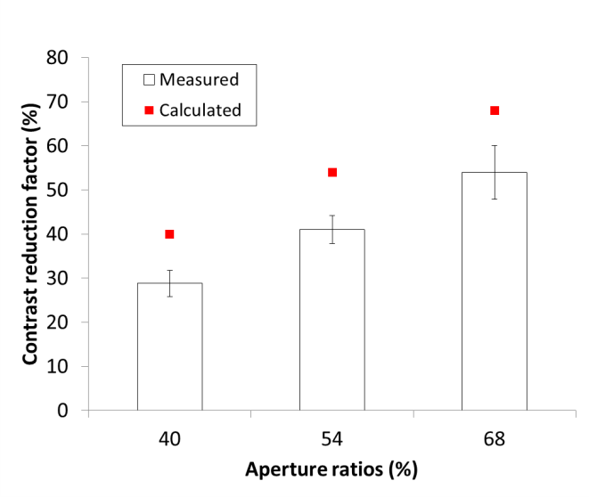
 |  |  |  |  |  | Contrast threshold
 |  | Figure 12. Averaged measured contrast reduction factor for 40%, 54%, and 68% ratios of EPS MxPs (14% step of aperture ratio among samples) with 7 normal subjects. The error bar indicates standard error. The measured contrast reduction factors are proportional to the aperture ratio though they are little lower than the calculated reduction factor. Note that each measured factor is 11%, 13%, and 14% smaller than the aperture ratio (40%, 54%, and 68%), respectively. |  |  | Subject | W/O Prism | 40% | 54% | 68%
 |  |  |  |  | S1 | 0.0097 | 0.0224 | 0.0216 | 0.0117
 |  | Contrast reduction factor of each subject for different aperture ratio (40%, 54%, and 68%) of MxP and w/o prism in Fig. 12 is derived from contrast threshold based on below psychometric function fitting of all responses. (* mark represents 50% correction) |  |  | S2 | 0.0088 | 0.0347 | 0.0246 | 0.0172
 |  |  |  |  | S3 | 0.013 | 0.0382 | 0.0252 | 0.0191
 |  |  |  |  | S4 | 0.0073 | 0.025 | 0.0145 | 0.0141
 |  |  |  |  | S5 | 0.0083 | 0.0363 | 0.0202 | 0.0199
 |  |  |  |  | S6 | 0.0079 | 0.041 | 0.0239 | 0.0204
 |  |  |  |  | S7 | 0.0092 | 0.0332 | 0.0304 | 0.0211
 | W/O Prism |  | 40% |  |  | 54% |  |  |  |  | 68%
Subject # | Contrast threshold | 0.01 | Contrast threshold | 0.022 |  | Contrast threshold |  |  |  | 0.022 | Contrast threshold | 0.012
S1

 | Contrast threshold | 0.009 | Contrast threshold | 0.035 |  | Contrast threshold |  |  |  | 0.025 | Contrast threshold | 0.017
S2

 | Contrast threshold | 0.013 | Contrast threshold | 0.038 |  | Contrast threshold |  |  |  | 0.025 | Contrast threshold | 0.019
S3

 | Contrast threshold | 0.007 | Contrast threshold | 0.025 |  | Contrast threshold |  |  |  | 0.015 | Contrast threshold | 0.014
S4

 | Contrast threshold | 0.008 | Contrast threshold | 0.036 |  | Contrast threshold |  |  |  | 0.02 | Contrast threshold | 0.02
S5

 | Contrast threshold | 0.008 | Contrast threshold | 0.041 |  | Contrast threshold |  |  |  | 0.024 | Contrast threshold | 0.02
S6

 | Contrast threshold | 0.009 | Contrast threshold | 0.033 |  | Contrast threshold |  |  |  | 0.03 | Contrast threshold | 0.021
S7

