Overall % (pre & post training)
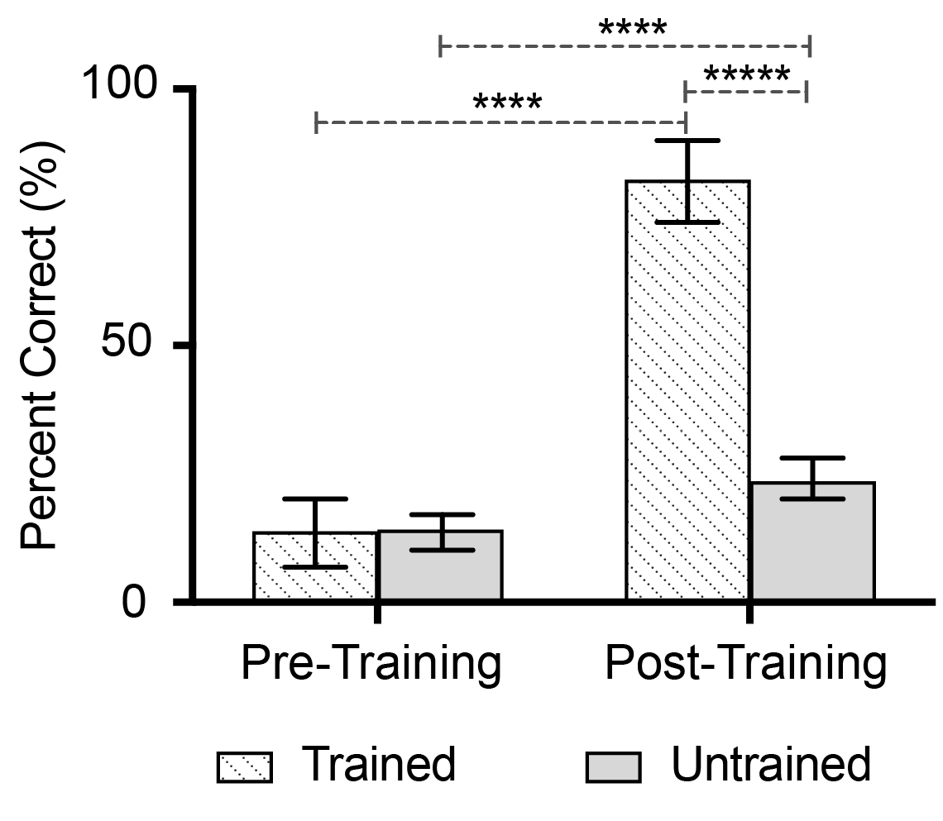
Overall accuracy % (pre and post training) |  |  |  |  | Raw data for overall pre and post training performance (number of words correct)
 | Ten words |  | Fifty words |  |  | Ten words |  | Fifty words
Subject No. | Pre-training | Post-training | Pre-training | Post-training | Subject No. | Pre-training | Post-training | Pre-training | Post-training
1 | 0 | 90 | 4 | 22 | 1 | 0 | 9 | 2 | 11
2 | 0 | 60 | 14 | 14 | 2 | 0 | 6 | 7 | 7
3 | 10 | 90 | 12 | 18 | 3 | 1 | 9 | 6 | 9
4 | 20 | 60 | 16 | 28 | 4 | 2 | 6 | 8 | 14
5 | 0 | 60 | 2 | 12 | 5 | 0 | 6 | 1 | 6
6 | 10 | 70 | 10 | 16 | 6 | 1 | 7 | 5 | 8
7 | 20 | 100 | 18 | 28 | 7 | 2 | 10 | 9 | 14
8 | 40 | 60 | 14 | 24 | 8 | 4 | 6 | 7 | 12
9 | 10 | 90 | 10 | 36 | 9 | 1 | 9 | 5 | 18
10 | 10 | 100 | 6 | 26 | 10 | 1 | 10 | 3 | 13
11 | 20 | 100 | 20 | 26 | 11 | 2 | 10 | 10 | 13
12 | 0 | 70 | 2 | 6 | 12 | 0 | 7 | 1 | 3
13 | 30 | 90 | 30 | 36 | 13 | 3 | 9 | 15 | 18
14 | 20 | 90 | 26 | 36 | 14 | 2 | 9 | 13 | 18
15 | 20 | 60 | 16 | 24 | 15 | 2 | 6 | 8 | 12
16 | 0 | 100 | 8 | 16 | 16 | 0 | 10 | 4 | 8
17 | 10 | 60 | 28 | 36 | 17 | 1 | 6 | 14 | 18
18 | 50 | 100 | 24 | 28 | 18 | 5 | 10 | 12 | 14
19 | 0 | 90 | 14 | 22 | 19 | 0 | 9 | 7 | 11
20 | 0 | 100 | 6 | 28 | 20 | 0 | 10 | 3 | 14
AVERAGE | 13.5 | 82 | 14 | 24.1 | AVERAGE | 1.35 | 8.2 | 7 | 12.05

Training data
 | Training data |  |  |  |  |  |  | Raw training data (number of words correct)
 |  |  | Accuracy % for every 25 trials in the training session |  |  |  |  |  |  | Accuracy % for every 25 trials in the training session
Subject No. | First (1-25 trials) | Second (26-50 trials) | Third (51-75 trials) | Fourth (76-100 trials) | Fifth (101-125 trials) | Sixth (126-150 trials) | Subject No. | First (1-25 trials) | Second (26-50 trials) | Third (51-75 trials) | Fourth (76-100 trials) | Fifth (101-125 trials) | Sixth (126-150 trials)
1 | 28 | 68 | 96 | 100 | 96 | 96 | 1 | 7 | 17 | 24 | 25 | 24 | 24
2 | 48 | 80 | 88 | 100 | 100 | 88 | 2 | 12 | 20 | 22 | 25 | 25 | 22
3 | 60 | 84 | 92 | 100 | 96 | 92 | 3 | 15 | 21 | 23 | 25 | 24 | 23
4 | 44 | 88 | 100 | 96 | 100 | 100 | 4 | 11 | 22 | 25 | 24 | 25 | 25
5 | 100 | 96 | 96 | 100 | 100 | 100 | 5 | 25 | 24 | 24 | 25 | 25 | 25
6 | 48 | 60 | 92 | 92 | 88 | 96 | 6 | 12 | 15 | 23 | 23 | 22 | 24
7 | 72 | 92 | 84 | 96 | 100 | 100 | 7 | 18 | 23 | 21 | 24 | 25 | 25
8 | 56 | 92 | 96 | 100 | 100 | 96 | 8 | 14 | 23 | 24 | 25 | 25 | 24
9 | 72 | 92 | 100 | 100 | 100 | 100 | 9 | 18 | 23 | 25 | 25 | 25 | 25
10 | 68 | 88 | 100 | 100 | 100 | 96 | 10 | 17 | 22 | 25 | 25 | 25 | 24
11 | 60 | 84 | 100 | 100 | 96 | 100 | 11 | 15 | 21 | 25 | 25 | 24 | 25
12 | 4 | 56 | 64 | 88 | 92 | 100 | 12 | 1 | 14 | 16 | 22 | 23 | 25
13 | 52 | 84 | 100 | 96 | 96 | 100 | 13 | 13 | 21 | 25 | 24 | 24 | 25
14 | 68 | 100 | 92 | 100 | 100 | 100 | 14 | 17 | 25 | 23 | 25 | 25 | 25
15 | 48 | 88 | 92 | 100 | 96 | 96 | 15 | 12 | 22 | 23 | 25 | 24 | 24
16 | 72 | 80 | 96 | 100 | 100 | 100 | 16 | 18 | 20 | 24 | 25 | 25 | 25
17 | 52 | 68 | 84 | 96 | 100 | 100 | 17 | 13 | 17 | 21 | 24 | 25 | 25
18 | 80 | 100 | 100 | 100 | 100 | 96 | 18 | 20 | 25 | 25 | 25 | 25 | 24
19 | 64 | 88 | 100 | 92 | 100 | 92 | 19 | 16 | 22 | 25 | 23 | 25 | 23
20 | 64 | 96 | 88 | 96 | 100 | 92 | 20 | 16 | 24 | 22 | 24 | 25 | 23
AVERAGE | 58 | 84.2 | 93 | 97.6 | 98 | 97 | AVERAGE | 14.5 | 21.05 | 23.25 | 24.4 | 24.5 | 24.25

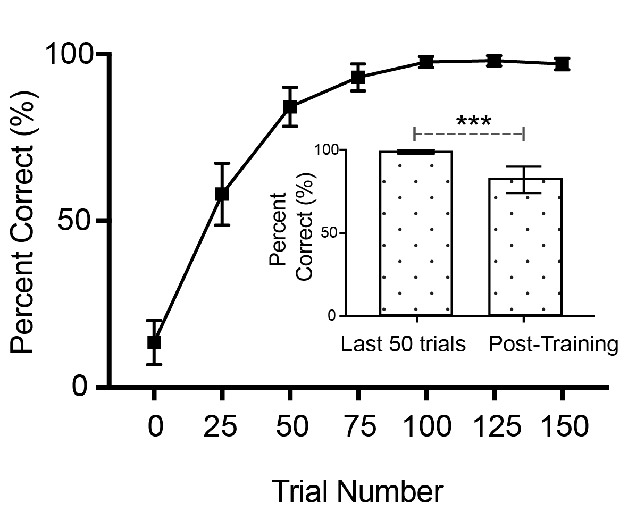
 |  |  |  |  |  |  | Raw data for End of training vs Post-training (number of words correct)
End of training % vs Post-training % |  |  |  |  |  |  | Subject No. | Last 50 trials (training) | Post training session %
Subject No. | Last 50 trials (training) | Post training session % |  |  |  |  | 1 | 48 | 9
1 | 96 | 90 |  |  |  |  | 2 | 47 | 6
2 | 94 | 60 |  |  |  |  | 3 | 47 | 9
3 | 94 | 90 |  |  |  |  | 4 | 50 | 6
4 | 100 | 60 |  |  |  |  | 5 | 50 | 6
5 | 100 | 60 |  |  |  |  | 6 | 46 | 7
6 | 92 | 70 |  |  |  |  | 7 | 50 | 10
7 | 100 | 100 |  |  |  |  | 8 | 49 | 6
8 | 98 | 60 |  |  |  |  | 9 | 50 | 9
9 | 100 | 90 |  |  |  |  | 10 | 49 | 10
10 | 98 | 100 |  |  |  |  | 11 | 49 | 10
11 | 98 | 100 |  |  |  |  | 12 | 48 | 7
12 | 96 | 70 |  |  |  |  | 13 | 49 | 9
13 | 98 | 90 |  |  |  |  | 14 | 50 | 9
14 | 100 | 90 |  |  |  |  | 15 | 48 | 6
15 | 96 | 60 |  |  |  |  | 16 | 50 | 10
16 | 100 | 100 |  |  |  |  | 17 | 50 | 6
17 | 100 | 60 |  |  |  |  | 18 | 49 | 10
18 | 98 | 100 |  |  |  |  | 19 | 48 | 9
19 | 96 | 90 |  |  |  |  | 20 | 48 | 10
20 | 96 | 100 |  |  |  |  | AVERAGE | 48.75 | 8.2
AVERAGE | 97.5 | 82

AscDsc % (pre & post)
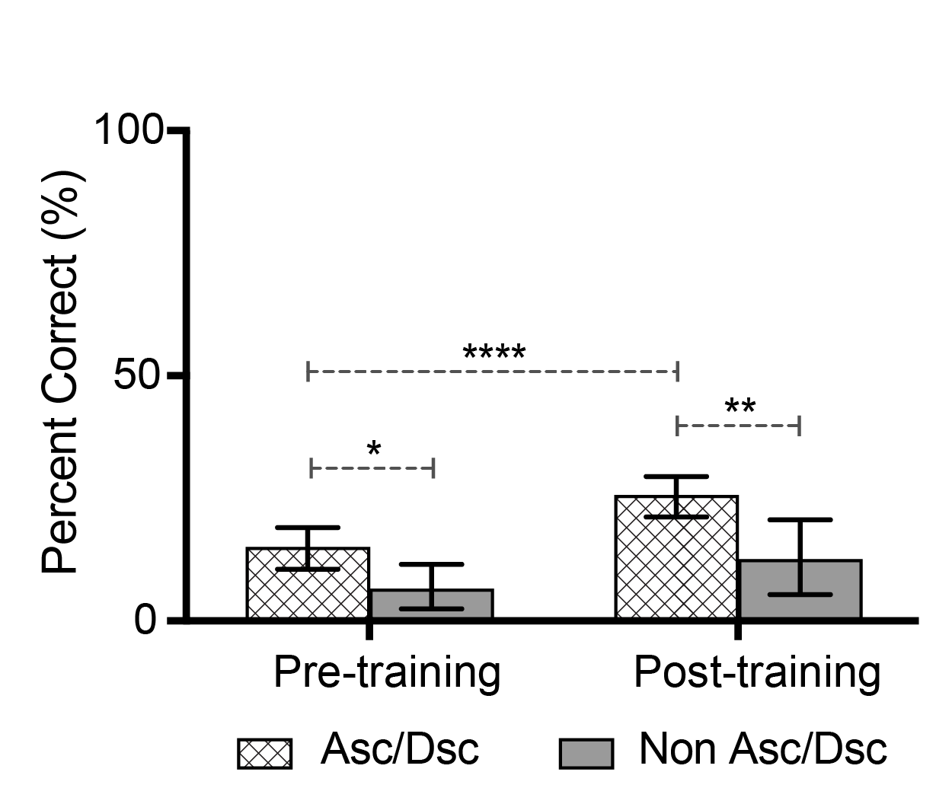
 |  | Accuracy for 10 words with/without AscDsc (%) |  |  |  |  | Raw data for 10 words with/without AscDsc (number of words correct)
 | Ten words (AscDsc) |  | Ten words (No AscDsc) |  |  | Ten words (AscDsc) |  | Ten words (No AscDsc)
Subject No. | Pre-training | Post-training | Pre-training | Post-training | Subject No. | Pre-training | Post-training | Pre-training | Post-training
1 | 0.0 | 88.9 | 0 | 100 | 1 | 0.0 | 8.0 | 0 | 1
2 | 0.0 | 66.7 | 0 | 0 | 2 | 0.0 | 6.0 | 0 | 0
3 | 11.1 | 88.9 | 0 | 100 | 3 | 1.0 | 8.0 | 0 | 1
4 | 22.2 | 55.6 | 0 | 100 | 4 | 2.0 | 5.0 | 0 | 1
5 | 0.0 | 55.6 | 0 | 100 | 5 | 0.0 | 5.0 | 0 | 1
6 | 11.1 | 66.7 | 0 | 100 | 6 | 1.0 | 6.0 | 0 | 1
7 | 11.1 | 100.0 | 100 | 100 | 7 | 1.0 | 9.0 | 1 | 1
8 | 44.4 | 55.6 | 0 | 100 | 8 | 4.0 | 5.0 | 0 | 1
9 | 11.1 | 88.9 | 0 | 100 | 9 | 1.0 | 8.0 | 0 | 1
10 | 11.1 | 100.0 | 0 | 100 | 10 | 1.0 | 9.0 | 0 | 1
11 | 11.1 | 100.0 | 100 | 100 | 11 | 1.0 | 9.0 | 1 | 1
12 | 0.0 | 66.7 | 0 | 100 | 12 | 0.0 | 6.0 | 0 | 1
13 | 33.3 | 88.9 | 0 | 100 | 13 | 3.0 | 8.0 | 0 | 1
14 | 22.2 | 88.9 | 0 | 100 | 14 | 2.0 | 8.0 | 0 | 1
15 | 22.2 | 55.6 | 0 | 100 | 15 | 2.0 | 5.0 | 0 | 1
16 | 0.0 | 100.0 | 0 | 100 | 16 | 0.0 | 9.0 | 0 | 1
17 | 11.1 | 55.6 | 0 | 100 | 17 | 1.0 | 5.0 | 0 | 1
18 | 44.4 | 100.0 | 100 | 100 | 18 | 4.0 | 9.0 | 1 | 1
19 | 0.0 | 88.9 | 0 | 100 | 19 | 0.0 | 8.0 | 0 | 1
20 | 0.0 | 100.0 | 0 | 100 | 20 | 0.0 | 9.0 | 0 | 1
AVERAGE | 13.3 | 80.6 | 15.0 | 95.0 | AVERAGE | 1.2 | 7.3 | 0.2 | 1.0

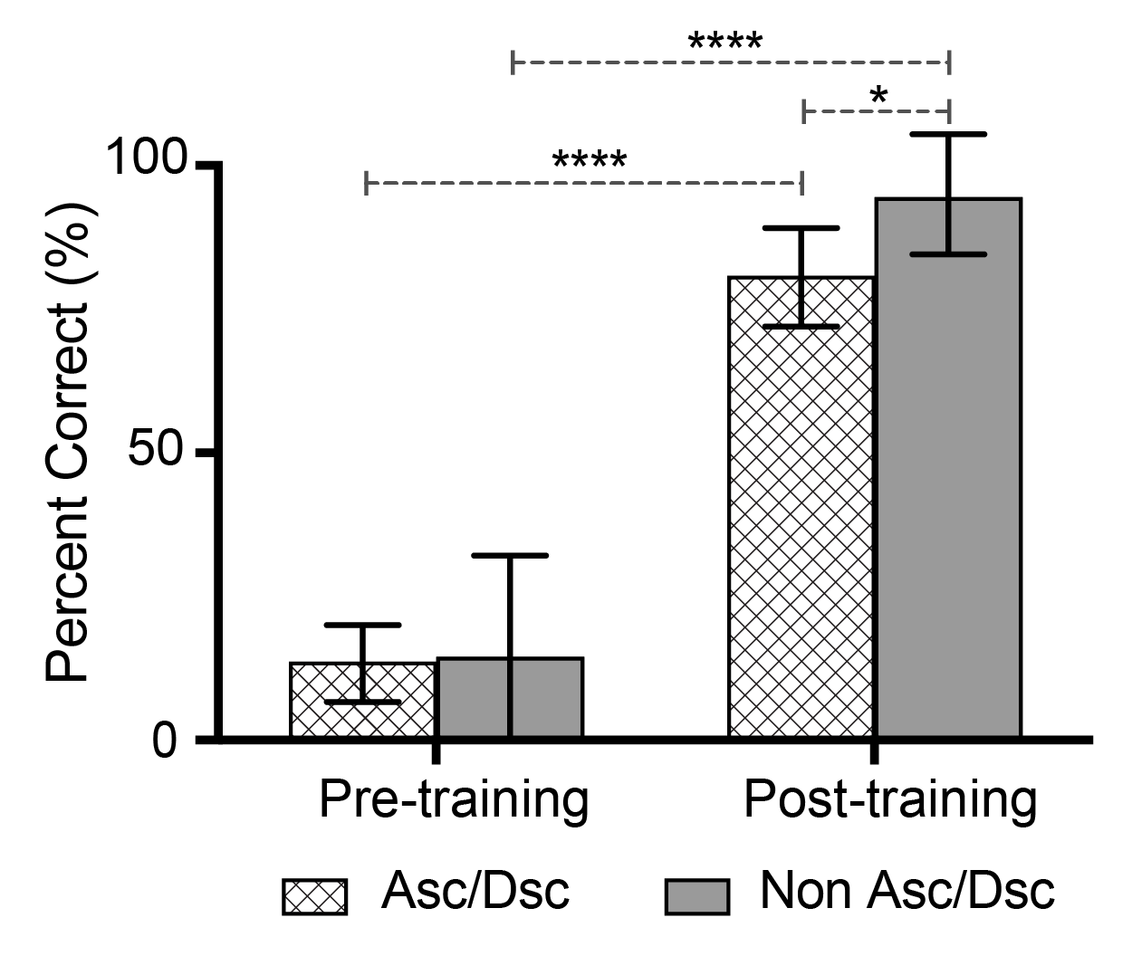

 |  | Accuracy for 50 words with/without AscDsc (%) |  |  |  |  | Raw data for 50 words with/without AscDsc (number of words correct)
 | Fifty words (AscDsc) |  | Fifty words (No AscDsc) |  |  | Fifty words (AscDsc) |  | Fifty words (No AscDsc)
Subject No. | Pre-training | Post-training | Pre-training | Post-training | Subject No. | Pre-training | Post-training | Pre-training | Post-training
1 | 4.4 | 20.0 | 0 | 40 | 1 | 2.0 | 9.0 | 0 | 2
2 | 15.6 | 15.6 | 0 | 0 | 2 | 7.0 | 7.0 | 0 | 0
3 | 13.3 | 17.8 | 0 | 20 | 3 | 6.0 | 8.0 | 0 | 1
4 | 17.8 | 28.9 | 0 | 20 | 4 | 8.0 | 13.0 | 0 | 1
5 | 2.2 | 13.3 | 0 | 0 | 5 | 1.0 | 6.0 | 0 | 0
6 | 8.9 | 17.8 | 20 | 0 | 6 | 4.0 | 8.0 | 1 | 0
7 | 20.0 | 28.9 | 0 | 20 | 7 | 9.0 | 13.0 | 0 | 1
8 | 15.6 | 24.4 | 0 | 20 | 8 | 7.0 | 11.0 | 0 | 1
9 | 11.1 | 35.6 | 0 | 40 | 9 | 5.0 | 16.0 | 0 | 2
10 | 4.4 | 28.9 | 20 | 0 | 10 | 2.0 | 13.0 | 1 | 0
11 | 22.2 | 28.9 | 0 | 0 | 11 | 10.0 | 13.0 | 0 | 0
12 | 2.2 | 6.7 | 0 | 0 | 12 | 1.0 | 3.0 | 0 | 0
13 | 31.1 | 40.0 | 20 | 0 | 13 | 14.0 | 18.0 | 1 | 0
14 | 26.7 | 35.6 | 20 | 40 | 14 | 12.0 | 16.0 | 1 | 2
15 | 15.6 | 26.7 | 20 | 0 | 15 | 7.0 | 12.0 | 1 | 0
16 | 8.9 | 17.8 | 0 | 0 | 16 | 4.0 | 8.0 | 0 | 0
17 | 31.1 | 40.0 | 0 | 0 | 17 | 14.0 | 18.0 | 0 | 0
18 | 24.4 | 26.7 | 20 | 40 | 18 | 11.0 | 12.0 | 1 | 2
19 | 15.6 | 24.4 | 0 | 0 | 19 | 7.0 | 11.0 | 0 | 0
20 | 4.4 | 28.9 | 20 | 20 | 20 | 2.0 | 13.0 | 1 | 1
AVERAGE | 14.8 | 25.3 | 7.0 | 13.0 | AVERAGE | 6.7 | 11.4 | 0.4 | 0.7

AscDsc RT (pre & post)
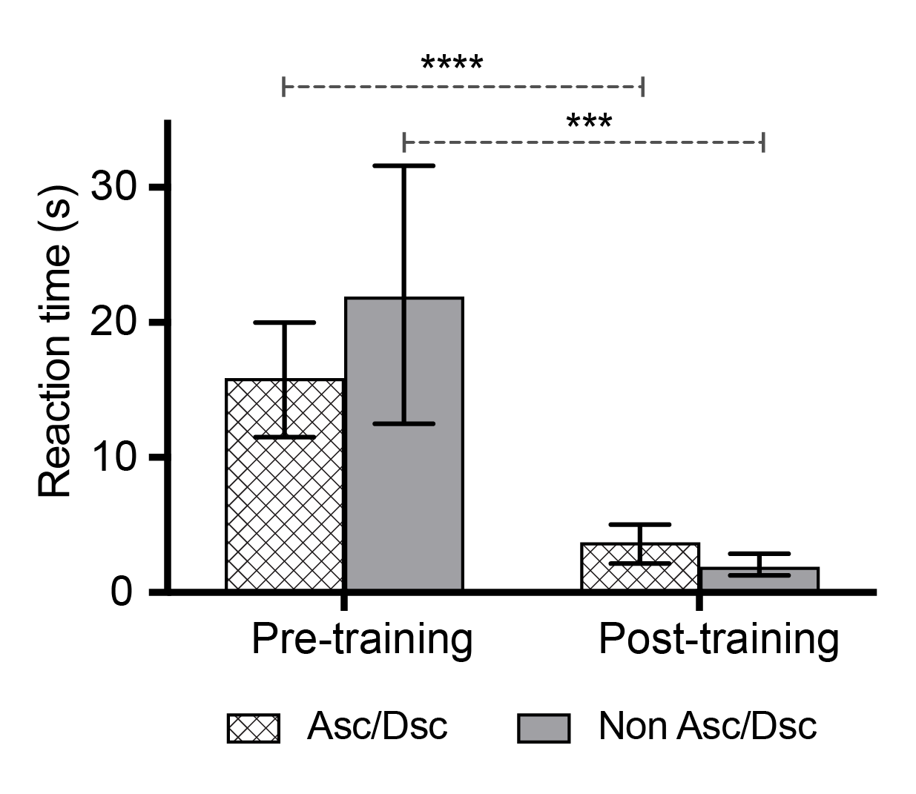
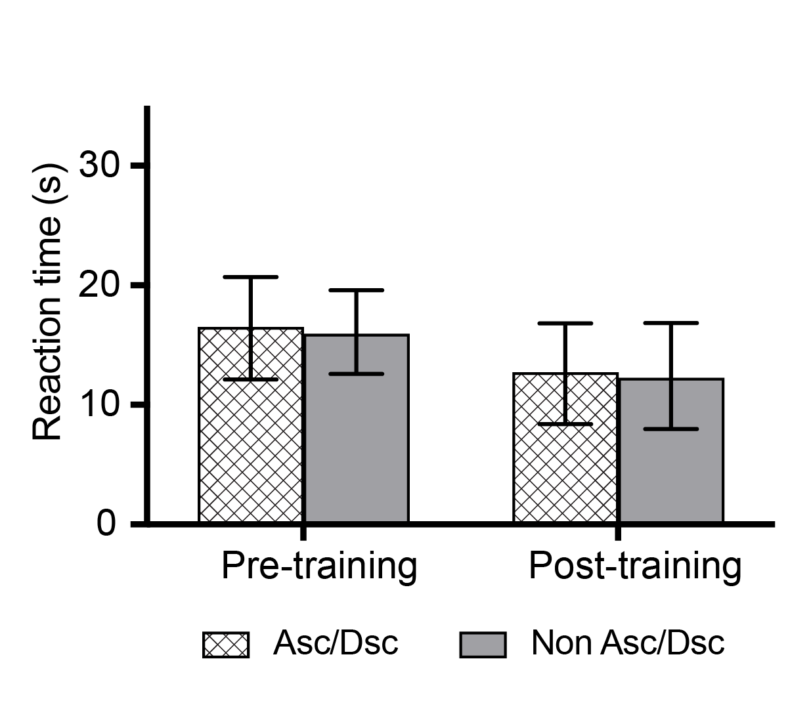
Reaction times for 10 words with/without AscDsc (s) |  |  |  |  | Reaction times for 50 words with/without AscDsc (s)
 | Ten words (AscDsc) |  | Ten words (No AscDsc) |  |  | Fifty words (AscDsc) |  | Fifty words (No AscDsc)
Subject No. | Pre-training | Post-training | Pre-training | Post-training | Subject No. | Pre-training | Post-training | Pre-training | Post-training
1 | 19.0 | 8.0 | 60.0 | 1.8 | 1 | 25.9 | 35.7 | 21.2 | 24.8
2 | 12.4 | 2.9 | 14.3 | 8.5 | 2 | 10.2 | 4.2 | 16.0 | 5.3
3 | 17.6 | 3.6 | 5.1 | 4.1 | 3 | 13.2 | 14.3 | 13.9 | 16.4
4 | 24.5 | 14.0 | 60.0 | 1.0 | 4 | 27.9 | 28.0 | 20.0 | 25.0
5 | 36.9 | 3.2 | 23.0 | 2.0 | 5 | 40.1 | 12.1 | 30.8 | 4.2
6 | 7.7 | 6.0 | 60.0 | 3.1 | 6 | 22.4 | 12.1 | 25.5 | 8.8
7 | 9.3 | 1.2 | 2.8 | 1.2 | 7 | 9.0 | 6.2 | 12.1 | 7.7
8 | 23.1 | 1.3 | 28.1 | 2.1 | 8 | 16.6 | 4.7 | 23.0 | 3.9
9 | 5.9 | 1.9 | 13.5 | 1.3 | 9 | 10.5 | 8.3 | 9.7 | 4.9
10 | 18.5 | 5.9 | 22.0 | 2.0 | 10 | 21.7 | 22.1 | 17.0 | 24.3
11 | 9.4 | 2.0 | 6.8 | 1.3 | 11 | 8.4 | 4.6 | 10.0 | 6.4
12 | 21.8 | 5.1 | 51.8 | 1.5 | 12 | 24.2 | 16.4 | 17.2 | 6.0
13 | 3.4 | 1.6 | 5.4 | 1.5 | 13 | 4.5 | 4.9 | 5.6 | 5.6
14 | 19.7 | 1.6 | 12.9 | 0.8 | 14 | 17.1 | 14.0 | 16.3 | 12.0
15 | 4.3 | 1.9 | 2.1 | 1.2 | 15 | 5.0 | 3.0 | 3.6 | 3.5
16 | 27.7 | 2.3 | 33.8 | 1.8 | 16 | 18.7 | 19.2 | 25.7 | 16.9
17 | 17.6 | 3.3 | 8.6 | 1.0 | 17 | 15.3 | 6.0 | 20.5 | 12.5
18 | 22.2 | 1.9 | 9.1 | 1.5 | 18 | 19.4 | 12.4 | 19.1 | 17.9
19 | 2.6 | 1.7 | 2.2 | 0.8 | 19 | 2.4 | 2.8 | 3.8 | 4.4
20 | 11.2 | 2.4 | 19.8 | 2.6 | 20 | 15.6 | 20.9 | 10.6 | 37.7
AVERAGE | 15.8 | 3.6 | 22.1 | 2.1 | AVERAGE | 16.4 | 12.6 | 16.1 | 12.4

LetterCount AscDsc (pre & post)
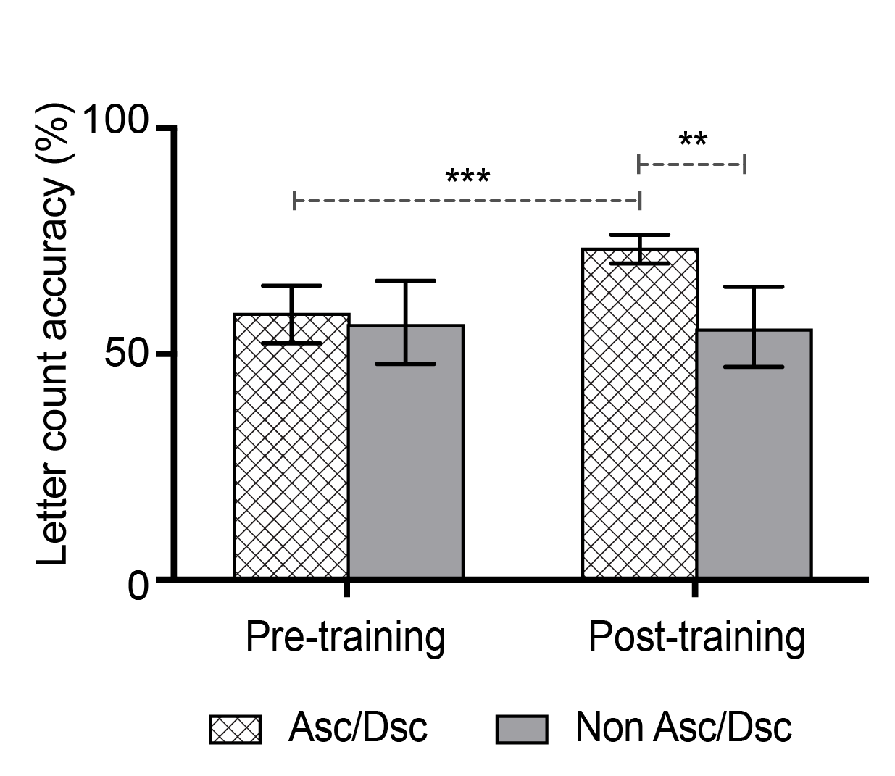
 |  | Letter count estimation for 10 words with/without AscDsc (%) |  |  |  |  | Letter count estimation for 10 words with/without AscDsc (number of correct responses)
 | Ten words (AscDsc) |  | Ten words (No AscDsc) |  |  | Fifty words (AscDsc) |  | Fifty words (No AscDsc)
Subject No. | Pre-training | Post-training | Pre-training | Post-training | Subject No. | Pre-training | Post-training | Pre-training | Post-training
1 | 44.4 | 88.9 | 100.0 | 100.0 | 1 | 4.0 | 8.0 | 1.0 | 1.0
2 | 55.6 | 66.7 | 0.0 | 100.0 | 2 | 5.0 | 6.0 | 0.0 | 1.0
3 | 55.6 | 88.9 | 0.0 | 100.0 | 3 | 5.0 | 8.0 | 0.0 | 1.0
4 | 44.4 | 55.6 | 100.0 | 100.0 | 4 | 4.0 | 5.0 | 1.0 | 1.0
5 | 44.4 | 66.7 | 0.0 | 100.0 | 5 | 4.0 | 6.0 | 0.0 | 1.0
6 | 33.3 | 88.9 | 100.0 | 100.0 | 6 | 3.0 | 8.0 | 1.0 | 1.0
7 | 66.7 | 100.0 | 100.0 | 100.0 | 7 | 6.0 | 9.0 | 1.0 | 1.0
8 | 88.9 | 77.8 | 0.0 | 100.0 | 8 | 8.0 | 7.0 | 0.0 | 1.0
9 | 22.2 | 88.9 | 0.0 | 100.0 | 9 | 2.0 | 8.0 | 0.0 | 1.0
10 | 55.6 | 100.0 | 100.0 | 100.0 | 10 | 5.0 | 9.0 | 1.0 | 1.0
11 | 55.6 | 100.0 | 100.0 | 100.0 | 11 | 5.0 | 9.0 | 1.0 | 1.0
12 | 44.4 | 77.8 | 0.0 | 100.0 | 12 | 4.0 | 7.0 | 0.0 | 1.0
13 | 66.7 | 88.9 | 0.0 | 100.0 | 13 | 6.0 | 8.0 | 0.0 | 1.0
14 | 55.6 | 88.9 | 100.0 | 100.0 | 14 | 5.0 | 8.0 | 1.0 | 1.0
15 | 66.7 | 66.7 | 0.0 | 100.0 | 15 | 6.0 | 6.0 | 0.0 | 1.0
16 | 55.6 | 100.0 | 0.0 | 100.0 | 16 | 5.0 | 9.0 | 0.0 | 1.0
17 | 55.6 | 88.9 | 0.0 | 100.0 | 17 | 5.0 | 8.0 | 0.0 | 1.0
18 | 66.7 | 100.0 | 100.0 | 100.0 | 18 | 6.0 | 9.0 | 1.0 | 1.0
19 | 66.7 | 88.9 | 0.0 | 100.0 | 19 | 6.0 | 8.0 | 0.0 | 1.0
20 | 44.4 | 100.0 | 0.0 | 100.0 | 20 | 4.0 | 9.0 | 0.0 | 1.0
AVERAGE | 54.4 | 86.1 | 40.0 | 100.0 | AVERAGE | 4.9 | 7.8 | 0.4 | 1.0

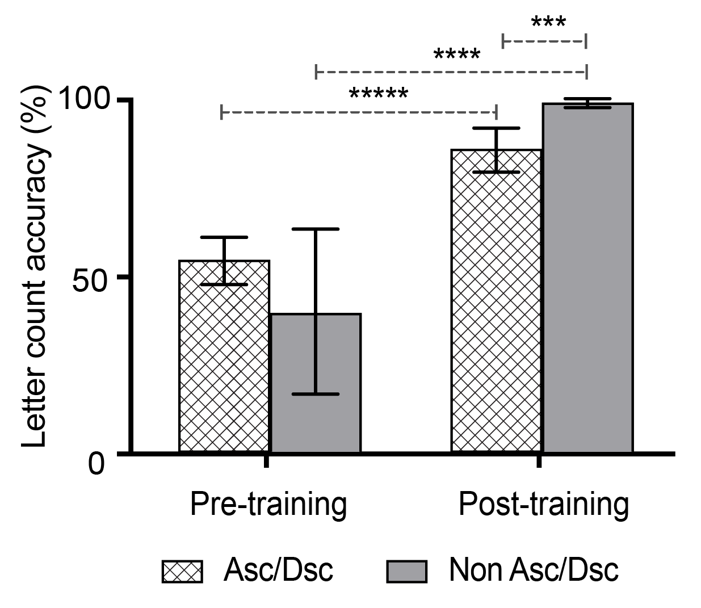

 |  | Letter count estimation for 50 words with/without AscDsc (%) |  |  |  |  | Letter count estimation for 50 words with/without AscDsc (number of correct responses)
 | Fifty words (AscDsc) |  | Fifty words (No AscDsc) |  |  | Fifty words (AscDsc) |  | Fifty words (No AscDsc)
Subject No. | Pre-training | Post-training | Pre-training | Post-training | Subject No. | Pre-training | Post-training | Pre-training | Post-training
1 | 37.8 | 64.4 | 80.0 | 80.0 | 1 | 17.0 | 29.0 | 4.0 | 4.0
2 | 53.3 | 60.0 | 60.0 | 60.0 | 2 | 24.0 | 27.0 | 3.0 | 3.0
3 | 64.4 | 66.7 | 40.0 | 60.0 | 3 | 29.0 | 30.0 | 2.0 | 3.0
4 | 71.1 | 75.6 | 60.0 | 80.0 | 4 | 32.0 | 34.0 | 3.0 | 4.0
5 | 66.7 | 66.7 | 40.0 | 40.0 | 5 | 30.0 | 30.0 | 2.0 | 2.0
6 | 44.4 | 80.0 | 20.0 | 40.0 | 6 | 20.0 | 36.0 | 1.0 | 2.0
7 | 64.4 | 75.6 | 80.0 | 60.0 | 7 | 29.0 | 34.0 | 4.0 | 3.0
8 | 57.8 | 73.3 | 60.0 | 80.0 | 8 | 26.0 | 33.0 | 3.0 | 4.0
9 | 35.6 | 82.2 | 60.0 | 60.0 | 9 | 16.0 | 37.0 | 3.0 | 3.0
10 | 51.1 | 75.6 | 80.0 | 80.0 | 10 | 23.0 | 34.0 | 4.0 | 4.0
11 | 66.7 | 73.3 | 60.0 | 60.0 | 11 | 30.0 | 33.0 | 3.0 | 3.0
12 | 60.0 | 73.3 | 20.0 | 40.0 | 12 | 27.0 | 33.0 | 1.0 | 2.0
13 | 77.8 | 84.4 | 40.0 | 20.0 | 13 | 35.0 | 38.0 | 2.0 | 1.0
14 | 68.9 | 77.8 | 60.0 | 80.0 | 14 | 31.0 | 35.0 | 3.0 | 4.0
15 | 46.7 | 71.1 | 80.0 | 60.0 | 15 | 21.0 | 32.0 | 4.0 | 3.0
16 | 53.3 | 71.1 | 80.0 | 40.0 | 16 | 24.0 | 32.0 | 4.0 | 2.0
17 | 75.6 | 73.3 | 40.0 | 40.0 | 17 | 34.0 | 33.0 | 2.0 | 2.0
18 | 82.2 | 84.4 | 80.0 | 60.0 | 18 | 37.0 | 38.0 | 4.0 | 3.0
19 | 60.0 | 62.2 | 60.0 | 20.0 | 19 | 27.0 | 28.0 | 3.0 | 1.0
20 | 37.8 | 73.3 | 40.0 | 60.0 | 20 | 17.0 | 33.0 | 2.0 | 3.0
AVERAGE | 58.8 | 73.2 | 57.0 | 56.0 | AVERAGE | 26.5 | 33.0 | 2.9 | 2.8

